Sheet1
ID | Summary | Description | Steps to reproduce | Severity | Priority | Attachment | Status
K01 | There is an empty I/O field after opening the application. | When users open the application, the I/O field is empty instead of default value "0". Actual result: The I/O field is empty. Expected result: The default value in the I/O field is 0. Environment: Windows 10 Requirement ID: 8 Additional Info: - | 1. Download the application to PC as .exe file. 2. Double-click the executable file to open the application | Minor | Low
K02 | Clicking [5] button gives incorrect result "55" in I/O field. | [5] button works incorrect. After one clicking [5] button there are double 5 ("55") in I/O field. Actual result: There are "55" in I/O field after one clicking [5] button. Expected result: There is "5" in I/O field after one clicking [5] button. Environment: Windows 10 Requirement ID: Additional Info: - | 1. Download the application to PC as .exe file. 2. Double-click the executable file to open the application. 3. Click [5] button. | Critical | ASAP
K03 | Clicking [6] button gives incorrect result "9" in I/O field. | [6] button works incorrect. After clicking [6] button there is "9" in I/O field. Actual result: There is "9" in I/O field after clicking [6] button. Expected result: There is "6" in I/O field after clicking [6] button. Environment: Windows 10 Requirement ID: Additional Info: - | 1. Download the application to PC as .exe file. 2. Double-click the executable file to open the application. 3. Click [6] button. | Critical | ASAP
K04 | Clicking [9] button gives incorrect result "6" in I/O field. | [9] button works incorrect. After clicking [9] button there is "6" in I/O field. Actual result: There is "6" in I/O field after clicking [9] button. Expected result: There is "9" in I/O field after clicking [9] button. Environment: Windows 10 Requirement ID: Additional Info: - | 1. Download the application to PC as .exe file. 2. Double-click the executable file to open the application. 3. Click [9] button. | Critical | ASAP
K05 | The "minimize" button has wrong icon. | The minimize button has icon [-] (line in the middle of the button) instead of [_] (line at the bottom of the button). Actual result: There is [-] minimize button. Expected result: There is [_] minimize button. Environment: Windows 10 Requirement ID: 9.5 Additional Info: - | 1. Download the application to PC as .exe file. 2. Double-click the executable file to open the application. 3. Set cursor above minimize button. | Major | Low | 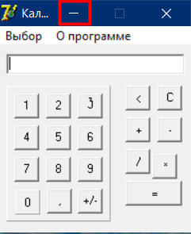
K06 | There is no way to enter symbols in I/O field from keyboard. | Symbols are entered only from mouse cliking instead of keyboard and mouse clicking in I/O field. Actual result: Symbols are not entered from keyboard. Expected result: Symbols are entered from keyboard and mouse clicking. Environment: Windows 10 Requirement ID: - Additional Info: - | 1. Download the application to PC as .exe file. 2. Double-click the executable file to open the application. 3. Click [1] button. 4. Enter number 1 from keyboard. | Critical | ASAP
K07 | I/O field contains 29 signs instead of 20 signs max. | Capacity of I/O field isn't limited to 20 symbols. Users can enter 29 symbols in I/O field. Actual result: There is 29 symbols in I/O field. Expected result: There is max 20 symbols in I/O field. Environment: Windows 10 Requirement ID: 20 Additional Info: - | 1. Download the application to PC as .exe file. 2. Double-click the executable file to open the application. 3. Enter 20 symbols from keyboard or mouse like 111111111111111111,1 in the field. 4. Enter one more symbol [1] in the field. 5. Enter other symbols [1] in the field until symbols can be entered in I/O field. | Minor | High
K08 | There is an abbitity to enter [0] button a lot of times in I/O field. | Users can enter 29 zero numbers in I/O field. Actual result: There is 29 zero numbers in I/O field. Expected result: There is 1 zero number in I/O field. Environment: Windows 10 Requirement ID: - Additional Info: - | 1. Download the application to PC as .exe file. 2. Double-click the executable file to open the application. 3. Click [0] button 29 times. | Critical | ASAP
K09 | The secuence of calculations is not displayed in the I/O field. | There isn't the secuence of calculations in I/O field after clicking any number and [+] or [-], or [*] or [/] buttons. Actual result: After clicking [+]/ [-]/ [*]/ [/] buttons the I/O field becomes empty. Expected result: After clicking [+]/ [-]/ [*]/ [/] buttons there is "number +" in I/O field. Environment: Windows 10 Requirement ID: 22.1 Additional Info: - | 1. Download the application to PC as .exe file. 2. Double-click the executable file to open the application. 3. Enter any number like [1] in I/O field. 4. Enter [+]/ [-]/ [*]/ [/] buttons. | Critical | ASAP
K10 | There is a notification "is not valid floating point value" after clicking [+], [-], [*], [/] buttons | If users want to click [+], [-], [*], [/] buttons with empty field or click this button twice, they will see unnecesary notification "is not valid floating point value" Actual result: notification "is not valid floating point value" after clicking [+], [-], [*], [/] buttons with empty field or click this button twice Expected result: there aren't any notofocations after clicking [+], [-], [*], [/] buttons with empty field or click this button twice Environment: Windows 10 Requirement ID: - Additional Info: - | 1. Download the application to PC as .exe file. 2. Double-click the executable file to open the application. 3. Click between one of this [+], [-], [*], [/] buttons | Critical | ASAP
K11 | [3] button is different from other buttons. | [3] button has another font from other buttons. Actual result: symbol is Expected result: symbol is "3" Environment: Windows 10 Requirement ID: 9.1 Additional Info: - | 1. Download the application to PC as .exe file. 2. Double-click the executable file to open the application. | Critical | High | 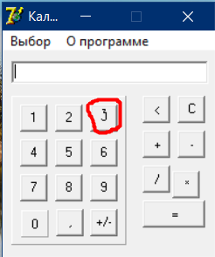
K12 | [8] button disapeares from numspace after clicking. | [8] button is on numspace, but after clicking it disappeares Actual result: [8] button disapeares from numspace after one clicking Expected result: There is [8] button always on numspace Environment: Windows 10 Requirement ID: 9.1 Additional Info: - | 1. Download the application to PC as .exe file. 2. Double-click the executable file to open the application. 3. Click [8] button | Critical | ASAP | 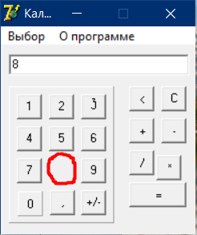
K13 | There is a notification "Че жмешь куда ни попадя!" after clicking on an empty place between any buttons | If users want to click on an empty place between any buttons, they will see unnecesary notification "Че жмешь куда ни попадя!" Actual result: notification "Че жмешь куда ни попадя!" after clicking on an empty place between any buttons Expected result: there aren't any notofocations after clicking on an empty place between any buttons Environment: Windows 10 Requirement ID: - Additional Info: - | 1. Download the application to PC as .exe file. 2. Double-click the executable file to open the application. 3. Click between any buttons like [2] and [5] buttons. | Critical | ASAP | 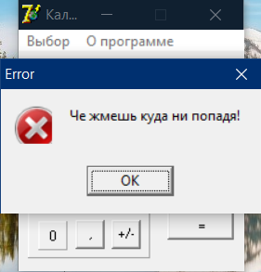
K14 | The app closes after clicking on an empty place between any buttons 3 times | When users click 3 times on an empty place between any buttons, the app shows notification "Вот такая загогулина получается" and closes. Actual result: The notification "Вот такая загогулина получается" and the app closes. Expected result: The are not any notofications, the app doesn't close. Environment: Windows 10 Requirement ID: - Additional Info: - | 1. Download the application to PC as .exe file. 2. Double-click the executable file to open the application. 3. Click on an empty place between any buttons like [1] and [4] . 4. Click OK when notification "Че жмешь куда ни попадя!" appears. 5. Repear steps 3-4 one time. 6. Click on an empty place between any buttons like [1] and [4] . 7. Click OK when notification ""Вот такая загогулина получается" appears. | Critical | ASAP | 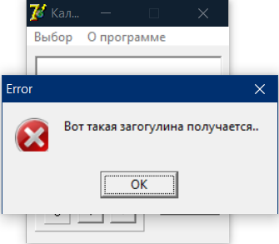
K15 | [0] button likes different from other buttons, it hasn't shadows around it and no animations while clicking | [0] button hasn't shadows around it and there is no animations while clicking on it. Actual result: [0] button hasn't shadow and animation Expected result: [0] button has shadow and animation so it looks like other buttons Environment: Windows 10 Requirement ID: - Additional Info: - | 1. Download the application to PC as .exe file. 2. Double-click the executable file to open the application. | Medium | High | 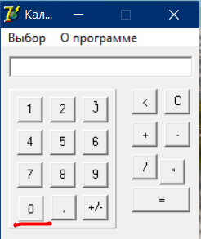
K16 | [0] button turnes blue color after clicking on it | The button [0] change its color after clicking, the button turns blue. Actual result: After clicking [0] button it turns blue Expected result: After clicking [0] button, it doesn't change its color. Environment: Windows 10 Requirement ID: - Additional Info: - | 1. Download the application to PC as .exe file. 2. Double-click the executable file to open the application. 3. Click [0] button. | Medium | High | 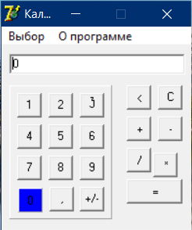
K17 | [*] button is shifted down and to the left relative to [-] button | [*] button is shifted down and to the left relative to [-] button Actual result: [*] button is shifted Expected result: [*] button is on its place Environment: Windows 10 Requirement ID: - Additional Info: - | 1. Download the application to PC as .exe file. 2. Double-click the executable file to open the application. | Medium | High | 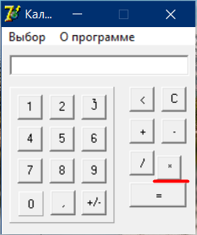
K18 | There is a spelling mistake in the word "Инжинерный" | There is a spelling mistake in the word "Инжинерный", rignt version is "Инжeнерный" Actual result: mode "Инжинерный" Expected result: mode "Инжeнерный" Environment: Windows 10 Requirement ID: 28 Additional Info: - | 1. Download the application to PC as .exe file. 2. Double-click the executable file to open the application. 3. Click "Выбор". | Minor | Normal | 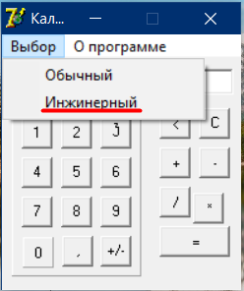
K19 | There is a notification "это просто цифра 1 и не более!" while hovering on [1] button | There is a notification "это просто цифра 1 и не более!" while hovering on [1] button, when users stop hovering the notification disappear Actual result: notification "это просто цифра 1 и не более!" while hovering on [1] button Expected result: there aren't any notifications while hovering on buttons Environment: Windows 10 Requirement ID: - Additional Info: - | 1. Download the application to PC as .exe file. 2. Double-click the executable file to open the application. 3. Set cursor above [1] button. | Medium | High | 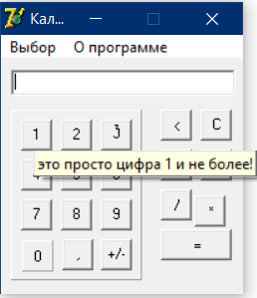
K20 | There is a notification "ну жми уже!" while hovering on [=] button | There is a notification "ну жми уже!" while hovering on [=] button, when users stop hovering the notification disappear Actual result: notification "ну жми уже!" while hovering on [=] button Expected result: there aren't any notifications while hovering on buttons Environment: Windows 10 Requirement ID: - Additional Info: - | 1. Download the application to PC as .exe file. 2. Double-click the executable file to open the application. 3. Set cursor above [=] button. | Medium | High | 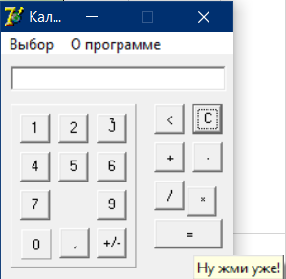
K21 | There is a wrong icon of the application | The icon of the application isn't a small picture of calculator. Actual result: the icon is Expected result: The icon is a small picture of calculator. Environment: Windows 10 Requirement ID: 17 Additional Info: - | 1. Download the application to PC as .exe file. 2. Double-click the executable file to open the application. | Critical | ASAP | 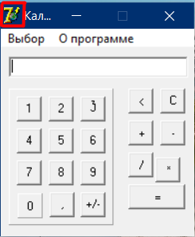
K22 | There is a wrong symbol of [x²] button. | The symbol of squaring is not [x²]. Actual result: the symbol is Expected result: The symbol is x². Environment: Windows 10 Requirement ID: 9.3.1 Additional Info: - | 1. Download the application to PC as .exe file. 2. Double-click the executable file to open the application. 3. Click "Выбор". 4. Choose "Инженерный" mode. | Critical | ASAP | 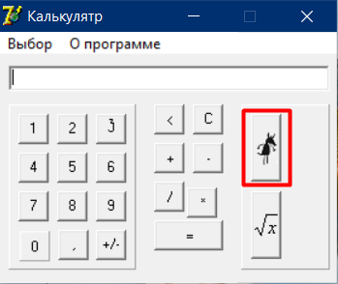
K23 | There is a wrong symbol of [√] button. | The symbol of square root is not [√]. Actual result: The symbol is [√x²]. Expected result: The symbol is [√]. Environment: Windows 10 Requirement ID: 9.3.2 Additional Info: - | 1. Download the application to PC as .exe file. 2. Double-click the executable file to open the application. 3. Click "Выбор". 4. Choose "Инженерный" mode. | Critical | ASAP | 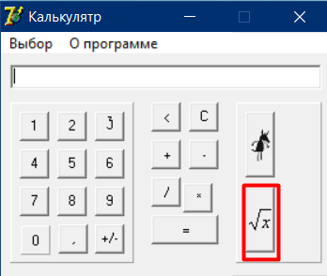
K24 | Wrong name is "Калькулятр" instead of "Калькулятoр" | Wnen open the app's its name will be "Калькулятр" instead of "Калькулятoр" Actual result: the app's name is "Калькулятр" Expected result: the app's name is "Калькулятoр" Environment: Windows 10 Requirement ID: 17 Additional Info: - | 1. Download the application to PC as .exe file. 2. Double-click the executable file to open the application. 3. Click "Выбор". 4. Choose "Инженерный" mode. | Minor | Normal | 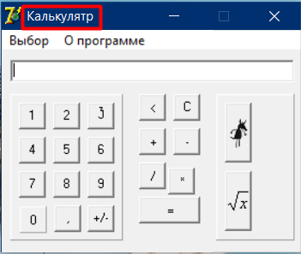
K25 | There is no abbility to get user guide | While clicking on link “О программе” there is no abbility to get user guide. Actual result: Expected result: Environment: Windows 10 Requirement ID: 11 Additional Info: - | 1. Download the application to PC as .exe file. 2. Double-click the executable file to open the application. 3. Click "О программе". | Critical | ASAP | 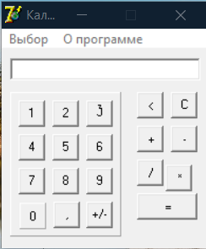
K26 | After clicking "О программе" and then choose "Инженерный" mode there is colored background in scientific functions | After clicking "О программе" and then select "Инженерный" mode there is a colored background like olive in scientific functions. Also there is an extra button near [√x] button. Actual result: there is a colored background like olive and an extra button near [√x] button in scientific functions. Expected result: there isn't a colored background and extra buttons in scientific functions. Environment: Windows 10 Requirement ID: - Additional Info: - | 1. Download the application to PC as .exe file. 2. Double-click the executable file to open the application. 3. Click "О программе". 4. Click "Выбор". 5. Choose mode "Инженерный". | Major | ASAP | 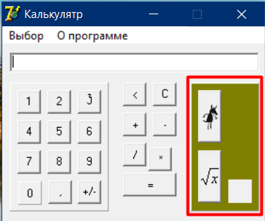
K27 | There is a wrong result of sum numbers if the fist number is two-digit | Sum function works wrong if the fist number consist of two items. Actual result: "10" is in I/O field after sum 11 and 2 numbers. Expected result: "13" is in I/O field after sum 11 and 2 numbers. Environment: Windows 10 Requirement ID: - Additional Info: - | 1. Download the application to PC as .exe file. 2. Double-click the executable file to open the application. 3. Click [1] button twice. 4. Click [+] button. 5. Click [2] button. | Critical | ASAP
K28 | There is a wrong result of dividing numbers by 0 | Division function works wrong if any number divide by zero. Actual result: "-2" is in I/O field after dividing 2 by 0 numbers. Expected result: "0" is in I/O field after dividing 2 by 0 numbers. Environment: Windows 10 Requirement ID: 27 Additional Info: - | 1. Download the application to PC as .exe file. 2. Double-click the executable file to open the application. 3. Click [2] button. 4. Click [/] button. 5. Click [0] button. | Critical | ASAP
K29 | There is an unnecessary notification "Корень из отрицательного числа невозможен!" after square root of negative number | There is an unnecessary notification "Корень из отрицательного числа невозможен!" after square root of negative number Actual result: notification "Корень из отрицательного числа невозможен!" after square root of negative number. Expected result: "0" is in I/O field without any notifications. Environment: Windows 10 Requirement ID: 27 Additional Info: - | 1. Download the application to PC as .exe file. 2. Double-click the executable file to open the application. 3. Choose mode "Инженерный". 4. Click [+/-] button. 5. Click [4] button. 6. Click [√] button. | Major | ASAP | 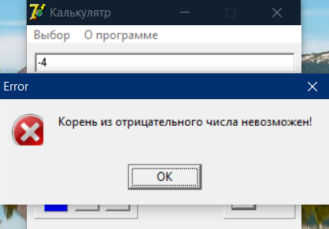
K30 | There is a wrong result of sum numbers if the second number is negative or zero | Sum function works wrong if the second number is negative or zero. 1.1. Actual result: "1" is in I/O field after sum "7" and "-4" numbers. 1.2.Expected result: "-3" is in I/O field after sum "7" and "-4" numbers. 2.1. Actual result: "6" is in I/O field after sum "7" and "0" numbers. 2.2.Expected result: "7" is in I/O field after sum "7" and "0" numbers. Environment: Windows 10 Requirement ID: 22.1 Additional Info: - | 1. Download the application to PC as .exe file. 2. Double-click the executable file to open the application. 3. Click [7] button. 4. Click [+] button. 5. Click [+/-] button. 6. Click [4] button. 7. Click [=] button. 8. Click [C] button. 9. Repeat 3-4 steps. 10. Click [0] button. 11. Click [=] button. | Critical | ASAP
K31 | There is a wrong result of substraction numbers if the second number is negative or zero | Substraction function works wrong if the second number is negative or zero. 1.1. Actual result: "7" is in I/O field after substract "2" and "-3" numbers. 1.2.Expected result: "5" is in I/O field after substract "2" and "-3" numbers. 2.1. Actual result: "3" is in I/O field after subsract "2" and "0" numbers. 2.2.Expected result: "2" is in I/O field after subsract "2" and "0" numbers. Environment: Windows 10 Requirement ID: 22.2 Additional Info: - | 1. Download the application to PC as .exe file. 2. Double-click the executable file to open the application. 3. Click [2] button. 4. Click [-] button. 5. Click [+/-] button. 6. Click [3] button. 7. Click [=] button. 8. Click [C] button. 9. Repeat 3-4 steps. 10. Click [0] button. 11. Click [=] button. | Critical | ASAP
K32 | There is a wrong result of multiplication numbers if the second number is negative or zero | Multiplication function works wrong if the second number is negative or zero. 1.1. Actual result: "-27" is in I/O field after multiplicate "3" and "-7" numbers. 1.2.Expected result: "-21" is in I/O field after multiplicate "3" and "-7" numbers. . 2.1. Actual result: "-3" is in I/O field after multiplicate "3" and "0" numbers. 2.2.Expected result: "0" is in I/O field after multiplicate "3" and "0" numbers. Environment: Windows 10 Requirement ID: 22.3 Additional Info: - | 1. Download the application to PC as .exe file. 2. Double-click the executable file to open the application. 3. Click [3] button. 4. Click [*] button. 5. Click [+/-] button. 6. Click [7] button. 7. Click [=] button. 8. Click [C] button. 9. Repeat 3-4 steps. 10. Click [0] button. 11. Click [=] button. | Critical | ASAP
K33 | There is a wrong result of division numbers if the second number is negative | Division function works wrong if the second number is negative. Actual result: "-18,3333333333333" is in I/O field after divide "5" and "-1" numbers. Expected result: "-5" is in I/O field after divide "5" and "-1" numbers. Environment: Windows 10 Requirement ID: 22.4 Additional Info: - | 1. Download the application to PC as .exe file. 2. Double-click the executable file to open the application. 3. Click [5] button. 4. Click [/] button. 5. Click [+/-] button. 6. Click [1] button. 7. Click [=] button. | Critical | ASAP

